Tabelle1
1 800 ATTORNEY - Logo Design Brief
All correspondence and documents provided will be treated as confidential between the client and the designer, unless consent has been granted by both parties involved.
Exact logo wording ( logo name )

1-800 ATTORNEY or 1-800 ATTORNEY.COM
 | must be written exactly, like you see it |  |  |  |  | can be written also in capital letters |  |  |  |  | can be written also in small letters

Tagline or/and slogan if any (optional) |  |  |  | (Determining what sounds and looks best = WOULD WELCOME FEEDBACK AND SUGGESTIONS)

Real Problems. Real Attorneys.
No Need to Settle For Less
One Number. One Call. That's All

 | tagline only below the company name |  |  |  |  | different positions for the tagline / slogan

Describe the business / service / organization (sector/branch)

1-800 ATTORNEY will be a vanity number for attorneys to use in their demographic location coupled with a dynamic online presence. It will be a legal network for attorneys to connect with potential clients.

Homepage of the company: |  |  |  | Site is under design

Competitors and similar business (example links)

No real competition in the legal field. But look at initial sets of logos uploaded with project.

Who are your customers/your target group?
Individuals who are seeking legal help for a variety of reasons. Individuals doing legal research. Attorneys who are interested in becoming part of the network.

Message, which should be transfered by the logo = USP: |  |  |  |  |  |  | 1-800 ATTORNEY is a trusted network of attorneys that are available to help in any area of the law.

Logos and elements, the customer likes (Do´s)

Modern, maybe classy legal imagery if not predicatble (i.e., Gavels, Scales of Justice are too predicatable). We are looking for something that consumers can connect with, understand it's a legal service, but also not be tacky or obvious. It's a modern approach to the legal search world, and we want to convey that.

Logos and elements, the customer dislikes (Dont´s)

Nothing too dark or distrustful looking. Nothing jarring. Nothing that seem dated or unapproachable. Something that will stand the test of time. Represent modern era.

LOGO CATEGORIES

 | Just font |  |  |  |  |  |  |  | Handmade
 | Just font without any symbolic intervention. |  |  |  |  |  |  |  | A calligraphic, handwritten or script font.

 | Font + meaning |  |  |  |  |  |  |  | Initials
 | A font with a tweak that simbolize company/ product/service |  |  |  |  |  |  |  | Monogram with Company name initials.

 | Font including in a shape |  |  |  |  |  |  |  | The Customer has no idea
 | Company name inside / squares / ovals / rectangles or combined shapes.

ICON BASED LOGOS
A graphic/symbol which represents your Company's activity, product or service.

 | Abstract graphic |  |  |  |  |  |  | silhouette
 | A synthetic symbol that represents your Company in a subtle way |  |  |  |  |  |  | A detailed illustrated silhouet

 | Geometric symbol |  |  |  |  |  |  | Illustrated symbol
 | A geometric symbol that clearly represents an element. |  |  |  |  |  |  | An illustrated symbol that clearly represents an element.

 | Detailed illustration |  |  |  |  |  |  | Seals and crests
 | A specific illustration. |  |  |  |  |  |  | A detailed crest or seal with just text or including graphics.

 | Mascot |  |  |  |  |  |  | Emblem
 | A character representing your Company. |  |  |  |  |  |  | An emblem, which comes out of the family history or just modern

COLOR PALETTE
Use exactly this colors:

Possible colors, no need to have all in one design:
Soft organges, navy blues, soft greys; blues 9dark and light blue; modern colors (orange, green); colors that can be easily changed to match specific attorney's local branding

Avoid this colors:
Anything harsh or too dark. No browns.

Artistic |  |  | Minimal |  | Sophisticated |  |  | Corporate |  |  | Childish

Occupational |  |  | Retro |  | Fun |  |  | Hi Tech |  |  | Femenine/Soft

The logo will be used for:
 | be up to all standards |  |  | or special for: | website |  |  | silk-screen printing |  |  | newspaper (black/white printing)
 |  |  |  |  | printed materials |  |  | embroidery |  |  | embossed stamp

Effects on the logo
only on the text |  |  | only on the graphic |  | on both |  | wants to see it on all drafts |  |  |  | no need to have it on all drafts
gradient |  | sketch |  | metal | shadow |  | mirrowing |  |  | 3D |  | glossy
 |  |  |  | 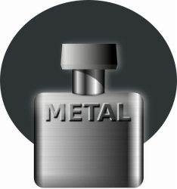 |  |  |  |  |  | 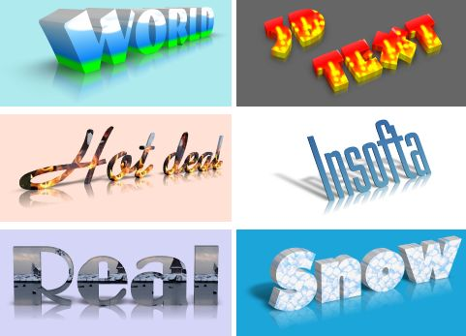

ADDITIONAL INSTRUCTIONS:
Would like to see a square or round badge that matches the logo.

