Current Logos
CURRENT LETTERHEAD LOGO

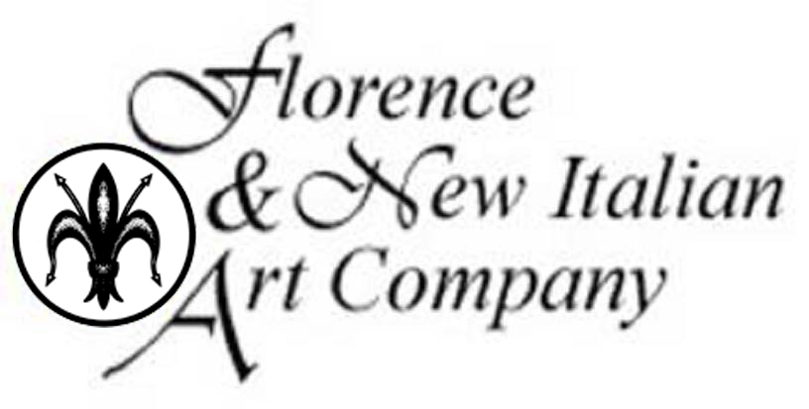

CURRENT WEBSITE LOGO

Competitors Logos
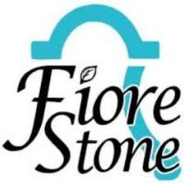

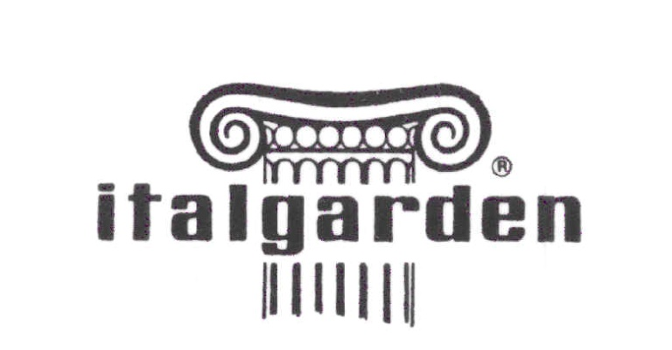
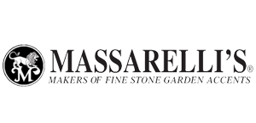

Other Logos We Like
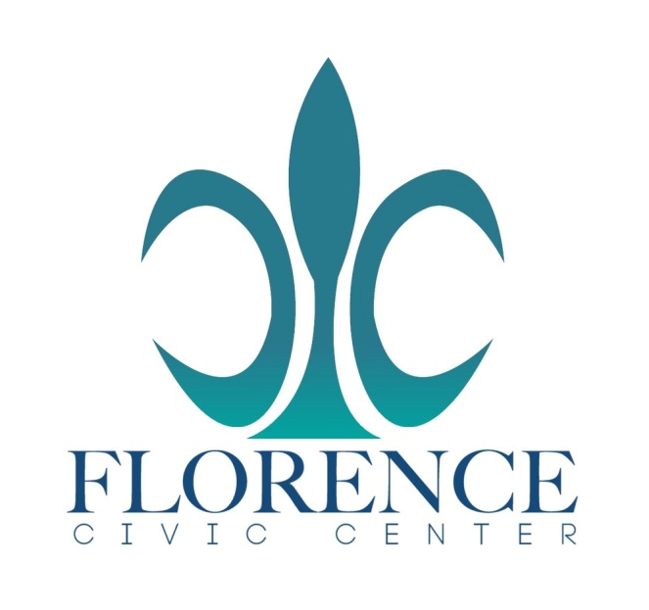
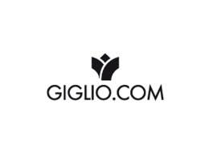
WE SELL A LOT OF WATER FOUNTAINS, SO WE LIKE THESE LOGOS THAT INCORPORATE A FOUNTAIN VECTOR IN THEM.

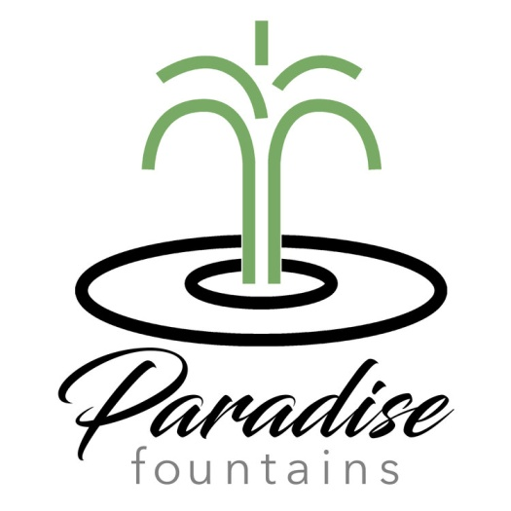
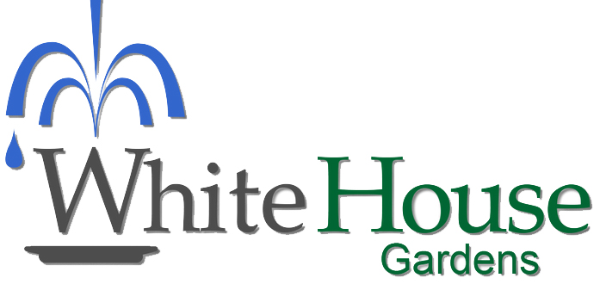
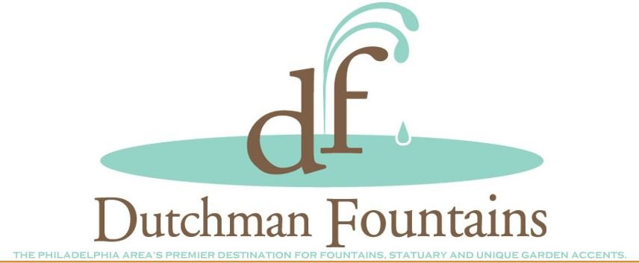

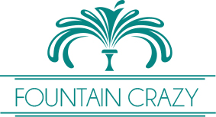


WE LIKE THESE FOUNTAIN VECTORS

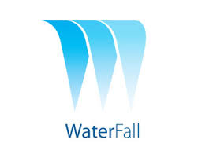

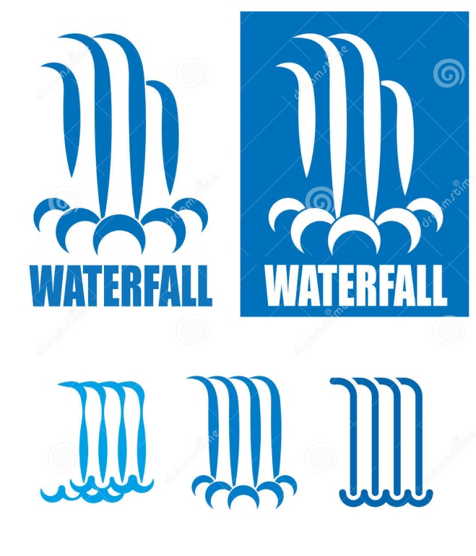

OUR MOST POPULAR WATER FOUNTAINS ARE SLEEK AND SIMPLE IN DESIGN AND INCORPORATE A SHEETING WATER EFFECT

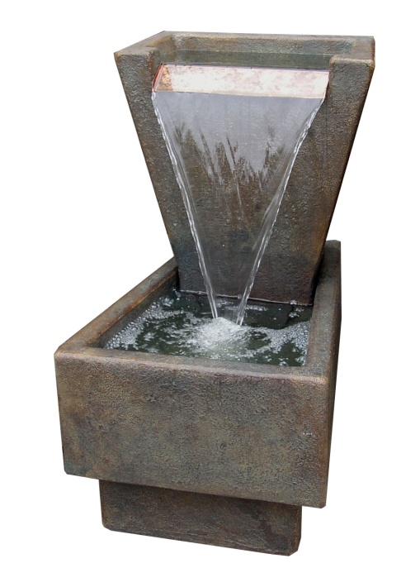
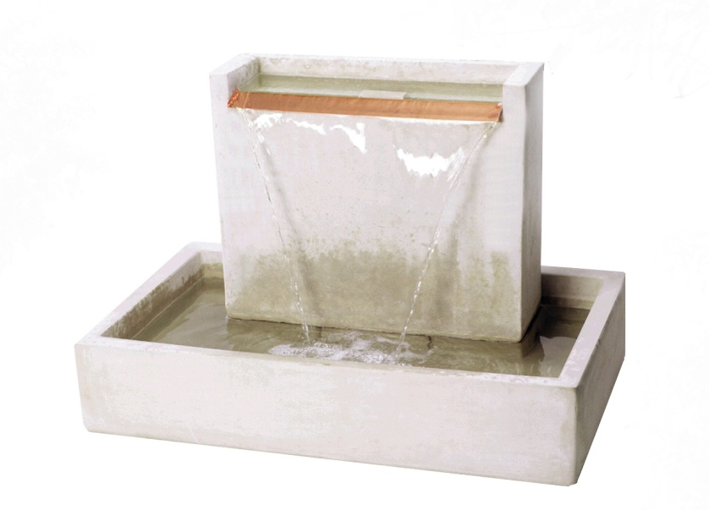
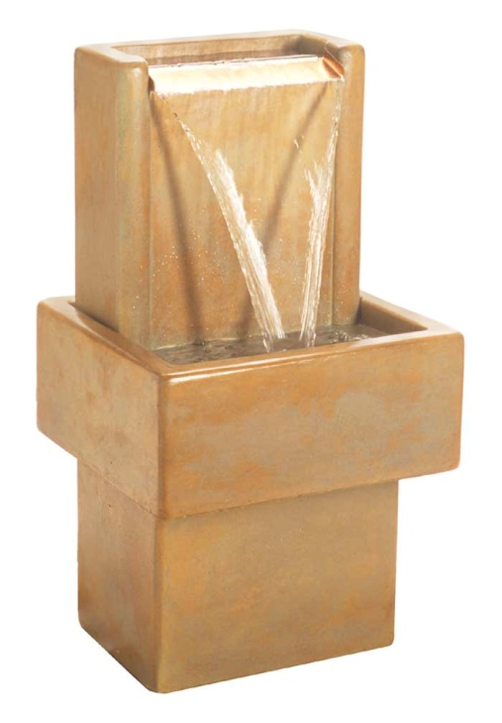
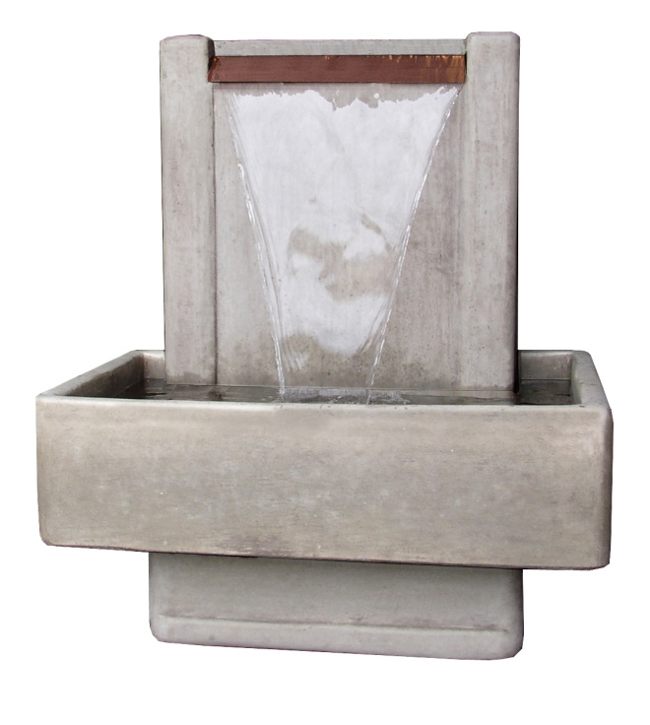

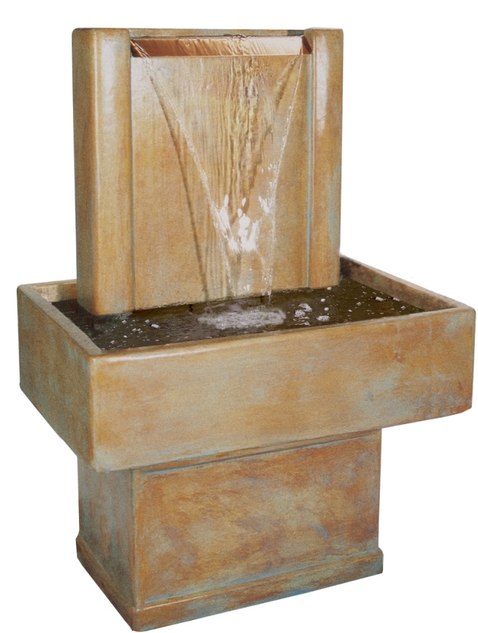
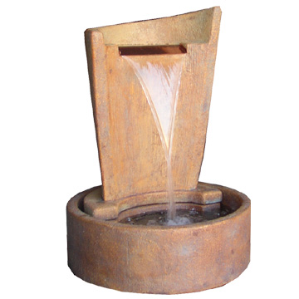

OUR LOGO NOW IS A FLEUR DE LIS, WHICH IS THE SYMBOL FOR THE CITY OF FLORENCE. WE LIKE THESE LOGOS INCORPORATING A FLEUR DE LIS VECTOR.

