CASUAL
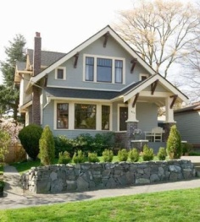
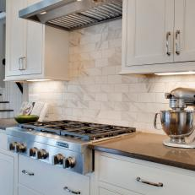
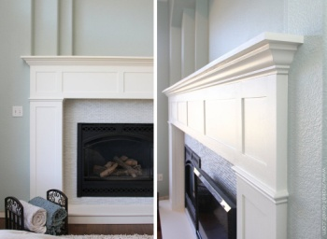
Bouldercrest Homes |  |  |  |  | Prepared By:
Material Selections

CASUAL STYLES

 | Home Location/Use | Image | Item Description | Item No. | Distributor | Price
FINISHES
Countertops | Kitchen & Baths |  | Material: Granite Thickness: 3 cm Color: Fusion Edge: Eased |  | Mega Granite
Flooring, Carpet | Bedrooms | 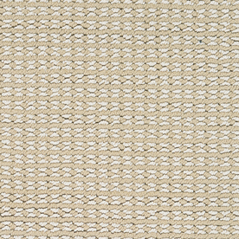 | Stainmaster Secret Dream PetProtect Color: Tribeca Style: Berber Includes: Pad, Delivery, Installation | Item # 798246 Model # S405873TRIBECA-9688 | Lowes | $5.00
Flooing, Wood or Bamboo | Living, Dining, Hallways, Kitchen, Powder Room | 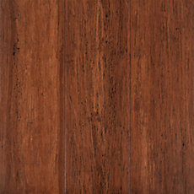 | Eco Forest Antique Hand Scraped Wire Brushed Locking Stranded Solid Bamboo | SKU: 100095322 | Floor & Décor | 2.85 sf
Paint, Interior Ceiling | Interior Ceilings |  | High Reflective White (Flat) | SW 7757 | Sher. Williams
Paint, Interior Trim and Doors | Interior Trim & Doors |  | Pure White (Semi Gloss) | SW 7005 | Sher. Williams
Paint, Interior Walls | Interior Walls |  | Whitetail (Eggshell) | SW 7103 | Sher. Williams
Stain, Handrail | Interior Stair Handrail, Newel Post & Treads |  | Burnished Walnut on Red Oak (Semi-Gloss) | SW 3119-K | Sher. Williams
Tile, Floor | Bathrooms Laundry Room |  | Style Selections Leonia Silver Porcelain Floor and Wall Tile | Item # 446993 Model # 1095283 | Lowes | $2.00
Tile, Wall | Bathroom Shower Bathroom Tub Surround |  | Style Selections Leonia Silver Porcelain Floor and Wall Tile | Item # 446993 Model # 1095283 | Lowes | $2.00
Tile, Shower Floor | Master Bathroom | 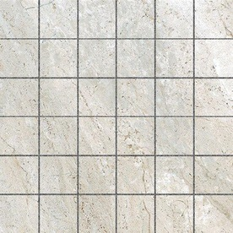 | Style Selections Classico Taupe Uniform Squares Mosaic Porcelain Floor and Wall Tile | Item # 591534 Model # 32CL15MO | Lowes | $9.98
Tile, Wall Tile Bullnose & Floor Base | Bathrooms Laundry Room |  | TextGBI Tile & Stone Inc. Aversa Frost Ceramic Bullnose | Item # 676875 Model # PORA3X12BNF | Lowes | $2.98
Tile, Kitchen Backsplash & Fireplace Surround | Kitchen & Living Room | 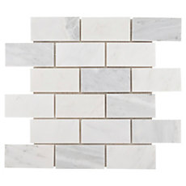 | Carrara White Brick Marble Mosaic Size: 12in x 12in | SKU: 931100241 | Floor & Décor | $7.99
Fireplace Hearth (Raised) | Living Room |  | White Carrara Marble Slab
Threshold | Bathroom Doorways Laundry Room Doorway |  | White Composite Threshold Tile | Item # 593462 Model # WHITE THR236 | Lowes | 9.97
Tile, Grout Color | Bathroom & Laundry Room | 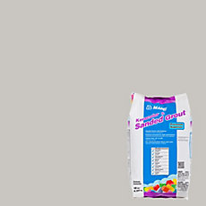 | Mapei 77 Frost KeraColor Sanded Grout 10 lb. Bag | SKU: 100035856 | Floor & Décor | $10.87
Tile, Grout Color | Kitchen Backsplash & Fireplace Surround | 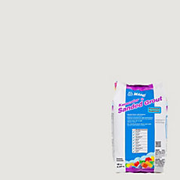 | Mapei 38 Avalanche KeraColor Sanded Groutt 10 lb. Bag | SKU: 100035658 | Floor & Décor | $10.87
 |  |  |  |  |  | $61.66

 | Home Location/Use | Image | Item Description | Item No. | Distributor | Price
APPLIANCES
Dishwasher | Kitchen | 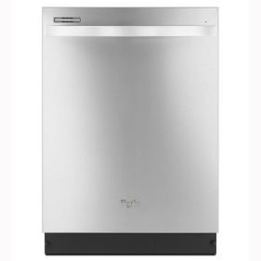 | Whirlpool Gold 51-Decibel Built-In Dishwasher (Monochromatic Stainless Steel) (Common: 24-in; Actual: 23-in) ENERGY STAR | Item # 625601 Model # WDT720PADM | Lowes | 399
Microwave | Kitchen | 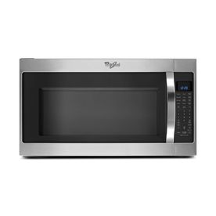 | Whirlpool 2-cu ft Over-the-Range Microwave with Sensor Cooking Controls (Stainless Steel) (Common: 30-in; Actual: 29.875-in) | Item # 579269 Model # WMH53520CS | Lowes | 229
Range | Kitchen | 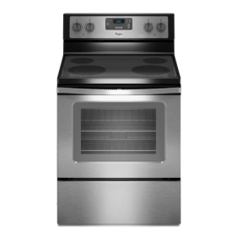 | Whirlpool Smooth Surface Freestanding 4.8-cu ft Electric Range (Black-On-Stainless) (Common: 30-in; Actual: 29.875-in) | Item # 673897 Model # WFE320M0ES | Lowes | 419
Refridgerator | Kitchen | 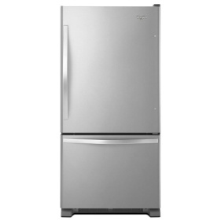 | Whirlpool 22.07-cu ft Bottom-Freezer Refrigerator with Single Ice Maker (Stainless Steel) ENERGY STAR | Item # 51877 Model # WRB322DMBM | Lowes | 898
 |  |  |  |  |  | $1,945.00

 | Home Location/Use | Image | Item Description | Item No. | Distributor | Price
ELECTRICAL
Exterior Wall Sconce | Front Porch |  | Progress Lighting Brookside 12.31-in H Antique Nickel Outdoor Wall Light | Item # 565606 Model # P5723-81 | Lowes | $169.02
Exterior Wall Sconce | Rear Porch |  | Progress Lighting Brookside 9.75-in H Antique Nickel Outdoor Wall Light | Item # 565000 Model # P5721-81 | Lowes | $97.47
Ceiling Fan and Lamp | Bedrooms |  | Hunter Dempsey 52-in White Downrod or Close Mount Indoor/Outdoor Ceiling Fan with Light Kit and Remote (4-Blade) | Item # 808408 Model # 59252 | Lowes | 229
Ceiling Fan, Outdoor | Rear Porch |  | Hunter Dempsey 52-in White Downrod or Close Mount Indoor/Outdoor Ceiling Fan with Light Kit and Remote (4-Blade) | Item # 808408 Model # 59252 | Lowes | 229
Ceiling Mounted Lamp | Entry |  | allen + roth Yately 8.66-in W Brushed Nickel Clear Glass Semi-Flush Mount Light | Item # 760190 Model # B10039 | Lowes | 69.98
Ceiling Mounted Lamp | Hallways |  | 10-in W Pewter Textured Semi-Flush Mount Light | Item # 187269 Model # 20175848 | Lowes | 133.56
Kitchen Island Lamps (2) | Kitchen Island (2 over island) |  | Kichler Lighting 12.2-in Satin Nickel Industrial Single Etched Glass Warehouse Pendant | Item # 759902 Model # 34792 | Lowes | 99
Chandelier | Dining Room |  | allen + roth 25.5-in 6-Light Brushed Nickel Mediterranean Candle Chandelier | Item # 551553 Model # IIR9116A | Lowes | 159
Pendant | Breakfast Area |  | Millennium Lighting 16-in Antique Silver Vintage Single Cage Pendant | Item # 409771 Model # 3244-AS | Lowes | 159.9
Vanity Light (1 Lamp) | Powder Room (1 over lavatory) | 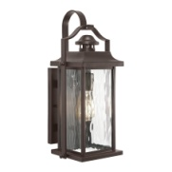 | allen + roth Winbrell 1-Light Brushed Nickel Bell Vanity Light | Item # 612658 Model # B10076 | Lowes | 34.97
Vanity Light (3 Lamp) | Upstairs Bathroom (1 over each lavatory) |  | allen + roth Winbrell 3-Light Brushed Nickel Bell Vanity Light | Item # 612659 Model # B10077 | Lowes | 82.98
 |  |  |  |  |  | $1,463.88

 | Home Location/Use | Image | Item Description | Item No. | Distributor | Price
PLUMBING
Lavatory | Bathrooms |  | American Standard Ovalyn White Undermount Oval Bathroom Sink with Overflow | Item # 581884 Model # 0496.300.020 | Lowes | $92.95
Lavatory Faucet | Bathrooms |  | Moen Wetherly Spot Resist Brushed Nickel 2-Handle 4-in Centerset WaterSense Bathroom Faucet (Drain Included) | Item # 749722 Model # WS84850SRN | Lowes | $99.00
Pedestal Sink | Bathrooms | 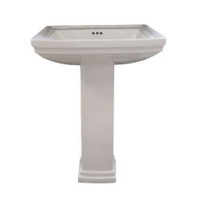 | AquaSource 33.6-in H White Vitreous China Pedestal Sink (includes leg) | Item # 76118 Model # ML-20602 | Lowes | $90.00
Shower Hardware | Master Bathroom Shower |  | Moen Wynford Brushed Nickel 1-Handle Shower Faucet with Rain Showerhead | Item # 699443 Model # T5502BN | Lowes | $268.50
Toilet & Toilet Handle | Bathrooms | 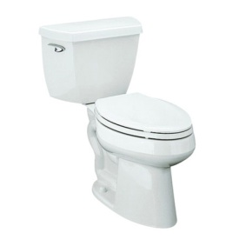 | KOHLER Highline Classic White 1.28-GPF (4.85-LPF) 12 Rough-In WaterSense Elongated 2-Piece Chair Height Toilet | Item # 331929 Model # 14799-0 | Lowes | $179.00
Tub/Shower Hardware | Bathroom with Tub |  | Moen Wetherly Spot Resist Brushed Nickel 1-Handle Bathtub and Shower Faucet with Rain Showerhead | Item # 553417 Model # 82850SRN | Lowes | 179.00 ea
Sink | Kitchen (Choose One) | 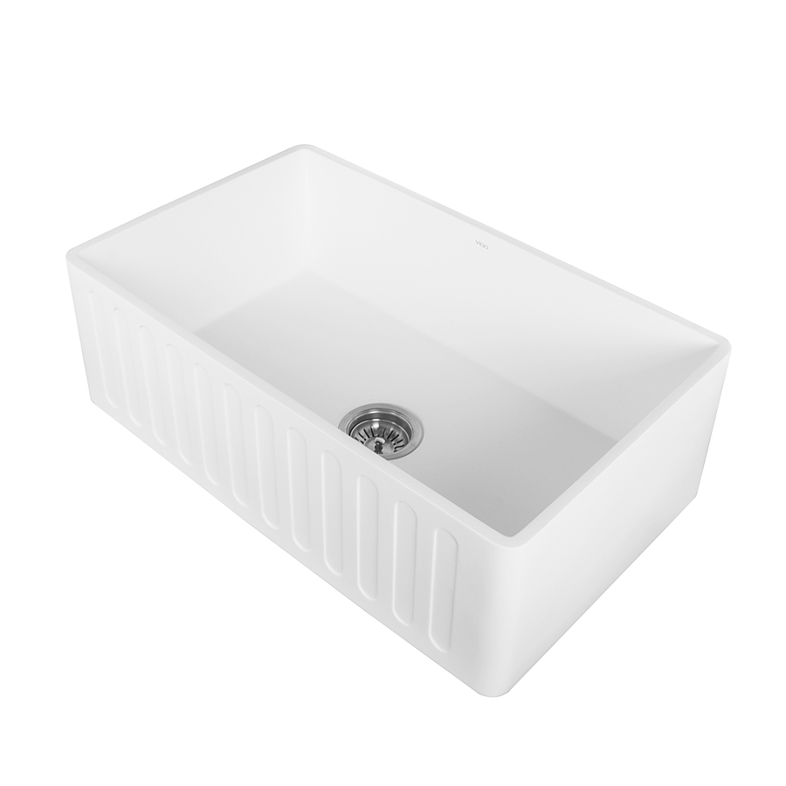 | VIGO Matte Stone 18-in x 30-in Matte Single-Basin Composite Apron Front/Farmhouse Residential Kitchen Sink | Item # 708833 Model # VGRA3018CS | Lowes | 570.93
Sink (Choose One) | Kitchen | 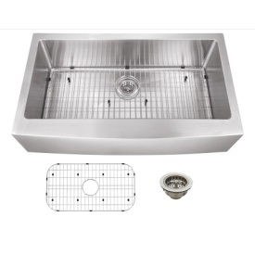 | Superior Sinks 22.25-in x 36-in Satin Brush Stainless Steel Single-Basin Apron Front/Farmhouse Residential Kitchen Sink | Item # 543523 Model # SPAPSBL | Lowes | 328.5
Sink Faucet | Kitchen | 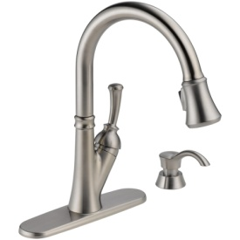 | Delta Savile Stainless 1-Handle Pull-Down Kitchen Faucet | Item # 5365 Model # 19949-SSSD-DST | Lowes | $189.00
 |  |  |  |  |  | $729.45

 | Home Location/Use | Image | Item Description | Item No. | Distributor | Price
HARDWARE
Cabinet Hardware | Kitchen and Bathroom Cabinets |  | Rusticware Traditional Satin Nickel Round Cabinet Knob | Item # 424878 Model # 921SN | Lowes | 2.8
Interior Door Hardware | Privacy Doors (Bedrooms & Bathrooms) |  | Schlage Privacy Georgian Satin Nickel Round Push Button-Lock Privacy Door Knob | Item # 82273 Model # F40 V GEO 619 | Lowes | $21.97
Exterior Door Hardware | Rear/Side Exterior Doors Garage Door |  | Schlage F Decorative Camelot Collections Georgian Satin Nickel Round Keyed Entry Door Knob | Item # 455364 Model # F51A GEO 619 CAM | Lowes | 40.12
Front Door Entry Set | Front Door |  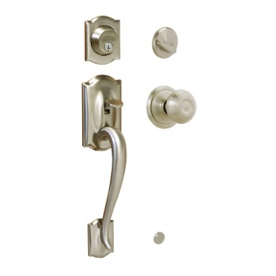 | Schlage Camelot Satin Nickel Single-Lock Keyed Entry Door Handleset | Item # 195361 Model # F360 V CAM 619 GEO |  | $114.00
Stair Baluster | Interior Stair |  | House of Forgings Hollow 44-in Ash Grey Wrought Iron Versatile Stair Baluster (alternate styles as pictured) | Item # 608044 Model # HFAG16.2.1-T (and) Item # 608051 Model # HFAG16.1.34-T | Lowes | 8.83 (and) 12.42
Toilet Paper Holder | Bathrooms adjacent to each toilet |  | Moen DN8408BN Preston Inspirations Paper Holder, Brushed Nickel | DN8408BN | Amazon | 12.52
Towel Bar | Bathrooms adjacent to each lavatory |  | TextMoen DN8486BN Preston Inspirations Towel Ring, Brushed Nickel | DN8486BN | Amazon | 10.59
Towel Ring | Bathroom with Tub or Shower |  | Moen DN8424BN Preston Inspirations 24-Inch Towel Bar, Brushed Nickel | DN8424BN | Amazon | $16.36
 |  |  |  |  |  | $218.36

 | Home Location/Use | Image | Item Description | Item No. | Distributor | Price
WOODWORK
Cabinet Door Style | Kitchen and Bathroom | 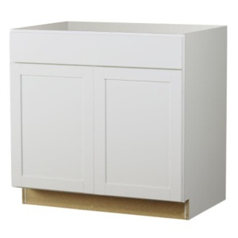 | Kitchen Classics Arcadia 36-in W x 35-in H x 23.75-in D White Shaker Door and Drawer Base Cabinet | Item # 795986 Model # B36B | Lowes | 240
Cabinet Door Style | Kitchen and Bathroom | 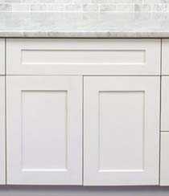 | Savannah Cabinet Style |  | Frugal Kitchens
Fireplace Mantel | Living Room |  | Chimney Free Traditional 64.25 in. x 44 in. Full Surround Mantel (add mantle shelf above) | Model # 65FS2792-T960 Internet #206620427 | Home Depot | 129.99
Interior Doors | All Interior Doors (This style / Size will vary) | 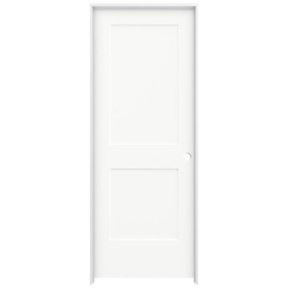 | JELD-WEN 32 in. x 80 in. Smooth 2-Panel Brilliant White Solid Core Molded Composite Single Prehung Interior Door | Model # THDJW137000938 Internet #300213556 | Home Depot | $233.61
Stair Handrail | Interior Stair |  | Material: Red Oak Quality: Stain Grade Size: 12ft length | Item # 51379 Model # P601012ETOAK | Lowes | $82.00
Stair Newel Post | Interior Stair at top and bottom of stair and on stair landing |  | 5.5-in x 56-in Raw Unfinished Red Oak Wood Stair Newel Post | Item # 282999 Model # 419156ETOAK | Lowes | 99.93
 |  |  |  |  |  | $785.53

 |  |  |  |  |  | $3,258.88

CLASSIC
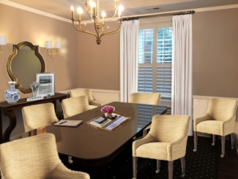
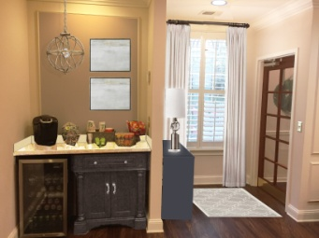
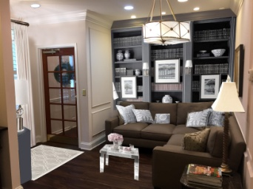
Partnership Title |  |  |  |  | Prepared By:
Furnishings & Materials

 | Home Location/Use | Image | Item Description | Item No. | Distributor | Price
FINISHES
Wallcovering | Conference Room (above wainscot) & Common Area (below chair rail) |  | 54" Vinyl Wallcovering In Demand 4 20 oz., Type II | MIF4036 Osnaburg | MDC Wallcovering | $6.25 LY
Wallcovering | Conference Room (above wainscot) & Common Area (below chair rail) |  | 54" Vinyl Wallcovering In Demand 4 15 oz., Type I | MIF4002 Scrim | MDC Wallcovering | $5.50 LY
Wallcovering | Conference Room (above wainscot) & Common Area (below chair rail) |  | 54" Vinyl Wallcovering In Demand 4 15 oz., Type I | MIF4002 Scrim | MDC Wallcovering | $5.50 LY
Paint | ooo |  | ooo | ooo | ooo | ooo
Stain | Entry Door | 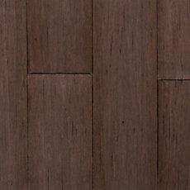 | ooo | ooo | ooo | ooo
Countertop | Interior Ceilings |  | High Reflective White (Flat) | SW 7757 | Sher. Williams
 |  |  |  |  |  | 0

 | Home Location/Use | Image | Item Description | Item No. | Distributor | Price
ELECTRICAL
Accent lighting | ooo |  | ooo | ooo | ooo | ooo
Wall Sconce | ooo |  | ooo | ooo | ooo | ooo
Artwork Sconce | ooo |  | ooo | ooo | ooo | ooo
Pendant Lamp | ooo | 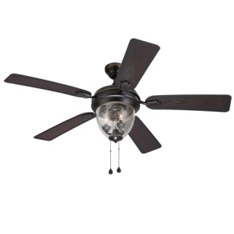 | ooo | ooo | ooo | ooo
 |  |  |  |  |  | 0

 | Home Location/Use | Image | Item Description | Item No. | Distributor | Price
HARDWARE
Cabinet Hardware | ooo |  | ooo | ooo | ooo | ooo
Interior Door Hardware | ooo |  | ooo | ooo | ooo | ooo
Exterior Door Hardware | ooo |  | ooo | ooo | ooo | ooo
 |  |  |  |  |  | $0.00

 | Home Location/Use | Image | Item Description | Item No. | Distributor | Price
WOOD WORK
Wainscot Wall Paneling | ooo | 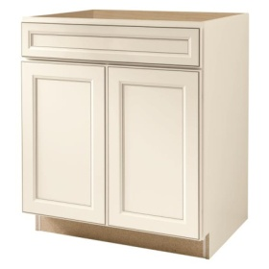 | ooo | ooo | ooo | ooo
Accent Wall Paneling | ooo | 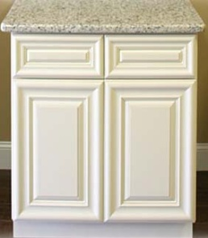 | ooo |  | ooo | ooo
Bookcase | ooo | 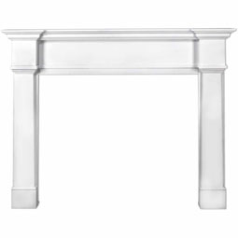 | ooo | ooo | ooo | ooo
 |  |  |  |  |  | $0.00

 | Home Location/Use | Image | Item Description | Item No. | Distributor | Price
FURNISHINGS
Console Table | ooo |  | ooo | ooo | ooo | ooo
End Table | ooo |  | ooo | ooo | ooo | ooo
Foyer Table | ooo |  | ooo | ooo | ooo | ooo
Hutch | ooo |  | ooo | ooo | ooo | ooo
Mirror | ooo |  | ooo | ooo | ooo | ooo
Area Rug | ooo |  | ooo | ooo | ooo | ooo
Area Rug | ooo |  | ooo | ooo | ooo | ooo
Throw Pillow | ooo |  | ooo | ooo | ooo | ooo
Table Lamp | Kitchen and Bathroom |  | ooo | ooo | ooo | ooo
Conference Room Chairs | ooo |  | ooo | ooo | ooo | ooo
Drapery | ooo |  | ooo | ooo | ooo | ooo
Artwork | ooo |  | ooo | ooo | ooo | ooo
Decorative Accent | ooo |  | ooo | ooo | ooo | ooo
 |  |  |  |  |  | $0.00

TOTALS |  |  |  |  |  | $0.00

CRAFTSMAN
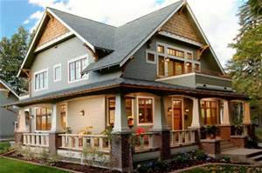
Bouldercrest Homes |  |  |  |  | Prepared By:
Material Selections

CRAFTSMAN UPGRADES

 | Home Location/Use | Image | Item Description | Item No. | Distributor | Price
LIGHTING PACKAGE
Ceiling Fan and Lamp | Bedrooms & Living Room |  | Kichler Lighting Barrington 52-in Distressed Black and Wood Downrod or Close Mount Indoor Ceiling Fan with Light Kit and Remote | Item # 577412 Model # 35206 | Lowes | 209
Ceiling Fan, Outdoor | Rear Porch |  | Harbor Breeze Merrimack 52-in Antique Bronze Downrod Mount Indoor/Outdoor Ceiling Fan with Light Kit and Remote | Item # 80443 Model # 40094 | Lowes | 179
Ceiling Mounted Lamp | Hallways |  | Z-Lite 8-in W Bronze Opalescent Glass Semi-Flush Mount Light | Item # 409789 Model # 314F-BRZ | Lowes | 58
Exterior Wall Sconce | Front Porch |  | Kichler Lighting Barrington 16-in H Distressed Black and Wood Outdoor Wall Light | Item # 759419 Model # 39496 | Lowes | 89
Kitchen Island Lamps (2) | Kitchen Island (2 over island) | 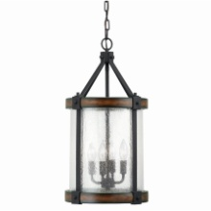 | Kichler Lighting Barrington 12.01-in Distressed Black and Wood Rustic Single Seeded Glass Cylinder Pendant | Item # 616010 Model # 34689 | Lowes | 169
Chandelier | Dining Room |  | Kichler Lighting Barrington 24.02-in 5-Light Distressed Black and Wood Rustic Clear Glass Candle Chandelier | Item # 616008 Model # 34686 | Lowes | 249
Pendant | Breakfast Area |  | Kichler Lighting Carlotta 22.99-in 5-Light Distressed Black and Wood Williamsburg Candle Chandelier | Item # 616011 Model # 34690 | Lowes | 89.98

 |  |  |  |  |  | 446

 | Home Location/Use | Image | Item Description | Item No. | Distributor | Price
WOOD WORK
Interior Doors | All Interior Doors (This style / Size will vary) | 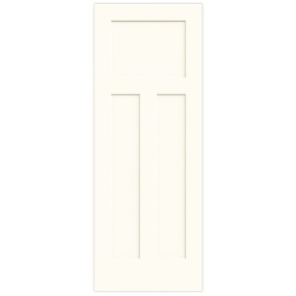 | JELD-WEN White Prehung Solid Core 3-Panel Craftsman Interior Door (Common: 32-in x 80-in; Actual: 33.562-in x 81.688-in) | Item # 525279 Model # LOWOLJW137100292 | Lowes | $186.88

 |  |  |  |  |  | $186.88

