Sheet2
 | Facility Name
CWAC | Central Washington Athletic Club
IPS | indoor Power Sports
 | Movement
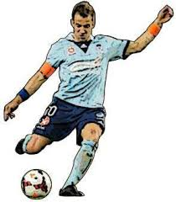
 | Lateral Movement
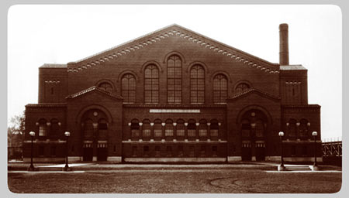
 | Tone house
IPA | Indoor power athletics
 | Indoor Galozo
 | Fieldhouse
 | Players
 | Sideline Sports
 | Sideline indoor sports
 | indoor sideline sports
 | Galozo at the indoor
 | Nut Sack
 | Got Nuts?

 | Our moto and vision
 | Building athletes
 | Building a better you
 | Shaping your athleticism

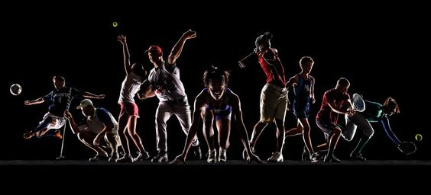

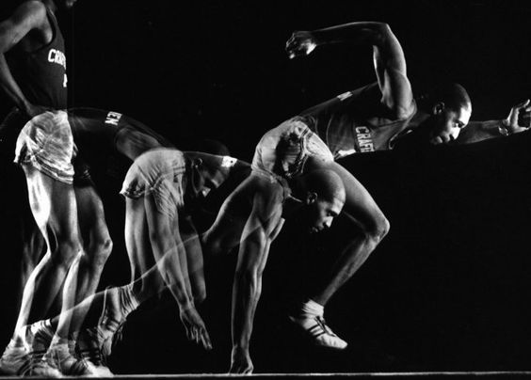

 | http://www.field.house/

